Welcome!
Thank You for Downloading Our [2024] Content Marketing Calendar Template! 🎉📅
Supercharge your Content Marketing and Social Media efforts with this 365-day template.
In this document, you will find fully-editable monthly calendars from January to December, with pre-filled events to help you kick off your 2024 marketing plans. | Content Key pack for your marketing activities Copy and paste the keys to personalise your highlighted dates and activities. Feel free to change this key according to the types of content you tend to promote.
Stay organised, save time, and ensure every activity shines. With this template, plan and track your monthly content —all in one place!
Make it your own, and good luck with your marketing activities this year! | Holiday
 | Paid Campaign
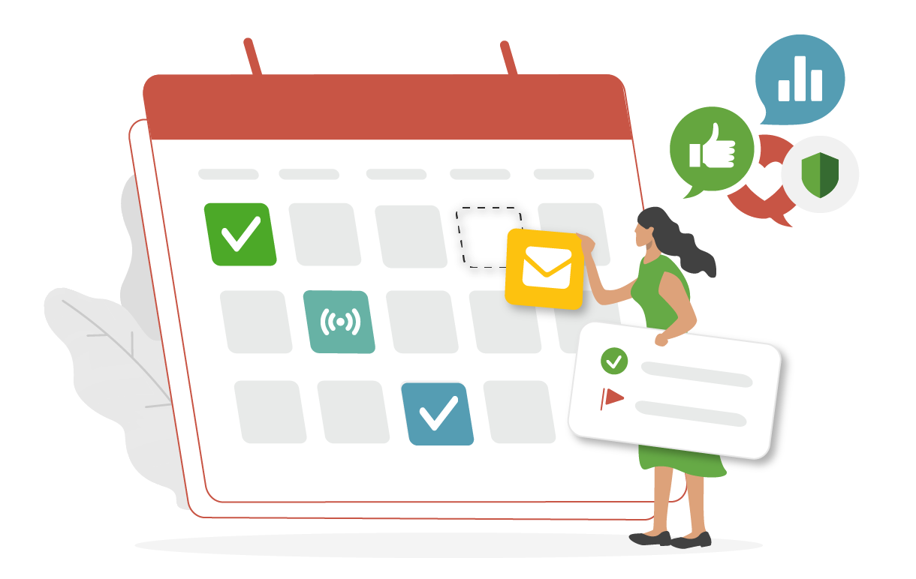
 | Resource
 | Webinar
 | Blog Post
 | Product Launch

